Sheet1
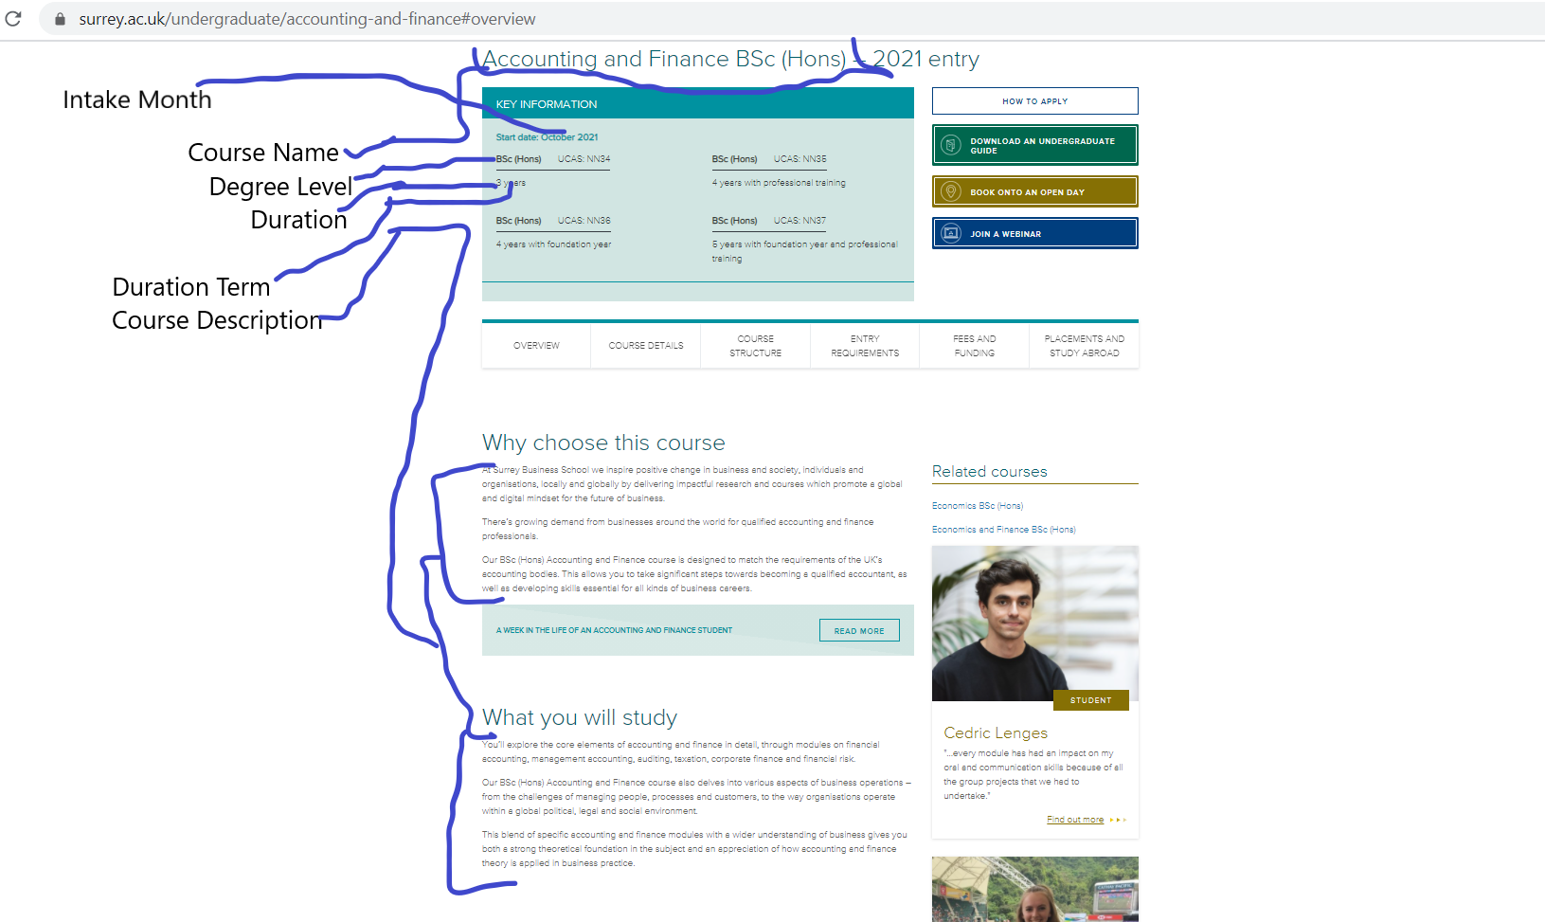
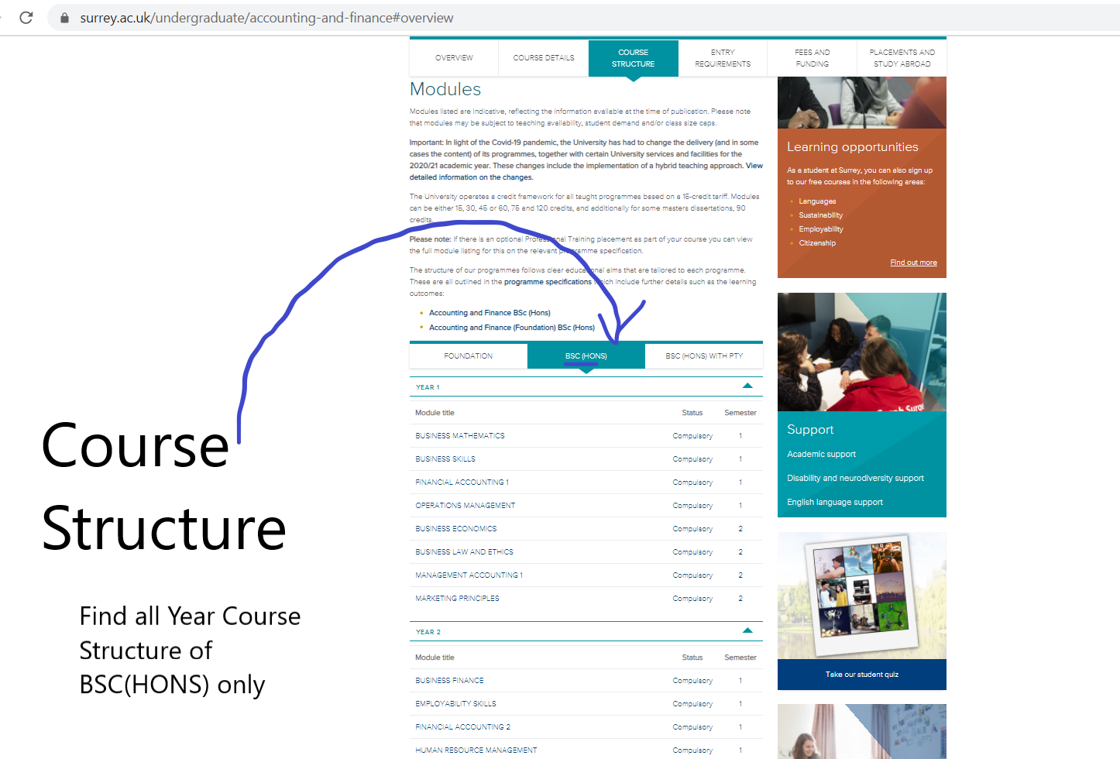
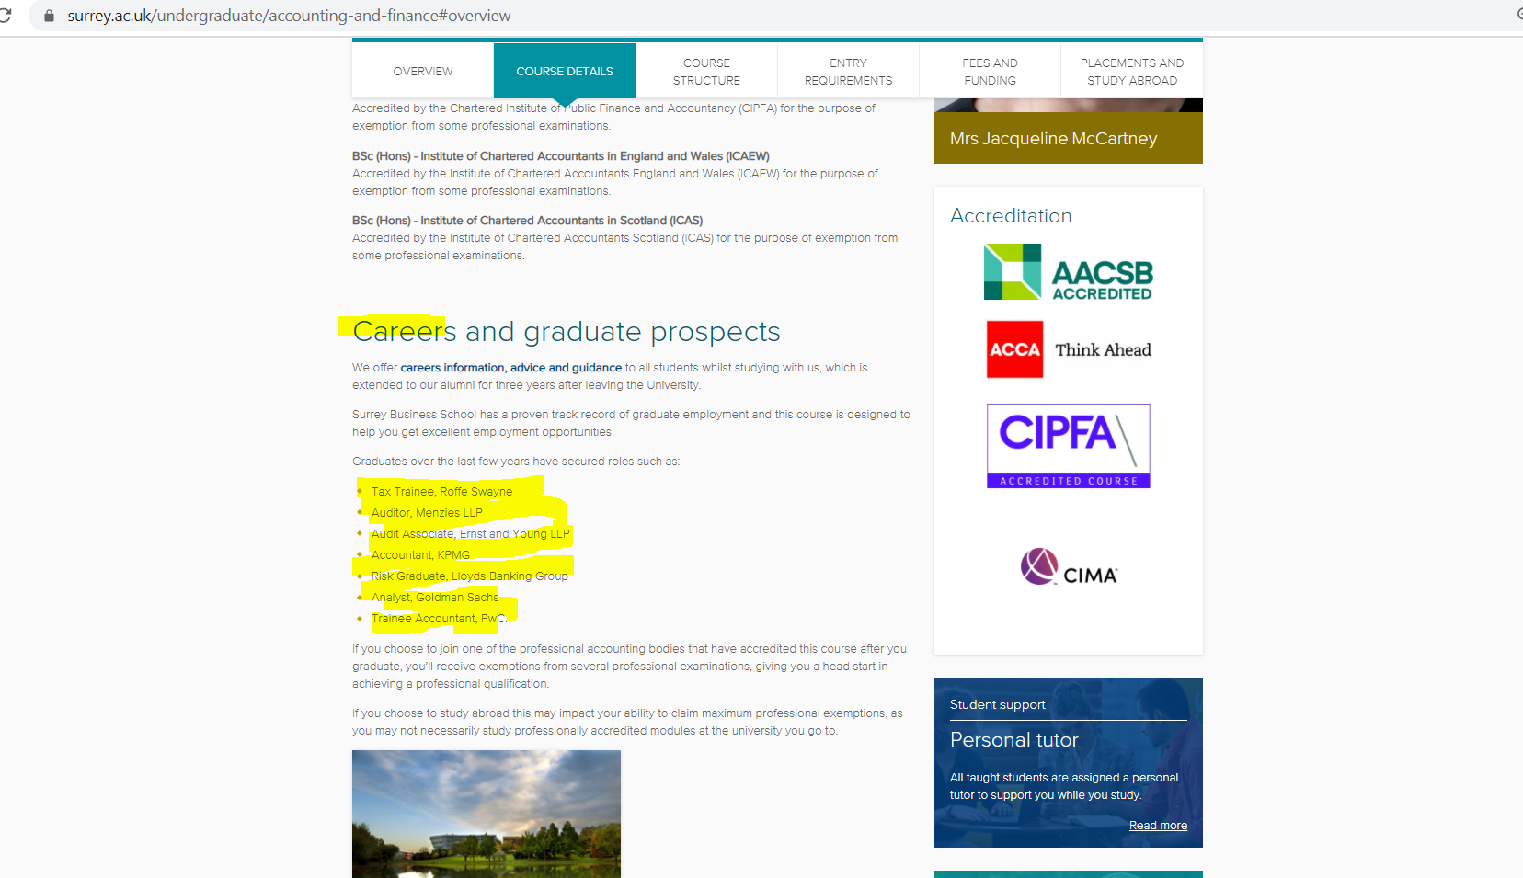
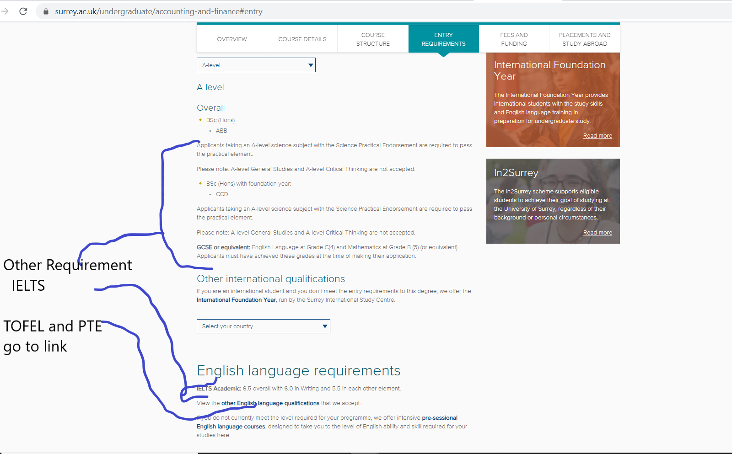
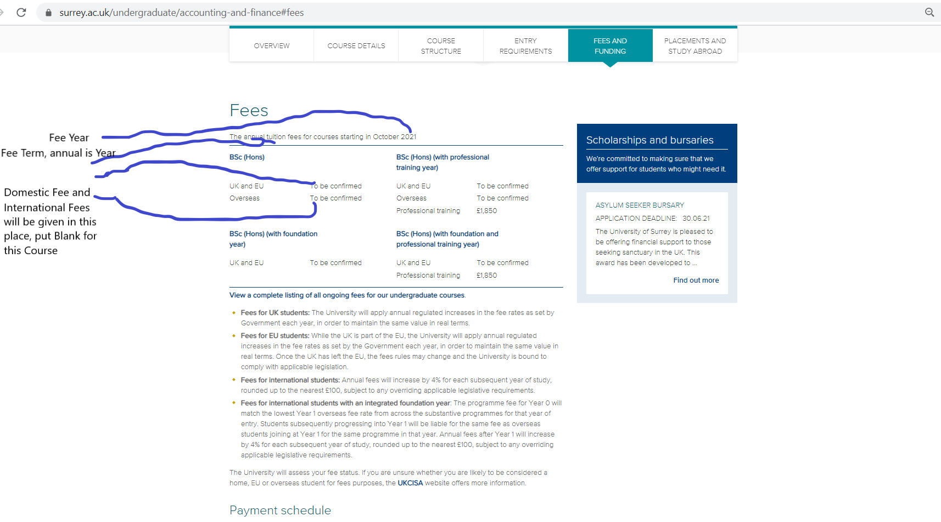
 |  | University Analysis

 |  | University name: University of Surrey
 |  | Website link:https://search.dundee.ac.uk
 |  |  |  | Study Link: https://www.surrey.ac.uk/study

 |  | Course Link for Undergraduate, Postgraduate taught, Postgraduate research : In the Study Link above, we can find Course Link for Undergraduate, Postgraduate taught, Postgraduate research by clicking the respective div.
 |  | Short Course Link: Click on Short Course div, Click on category, eg. Business, Clink on any subCategory , eg: Business, marketing, management, accounting and finance, Then You will Find the Course Link after "Find a course"

 | 0 |  |  |  | Sample Screenshot forCPD and Short Courses
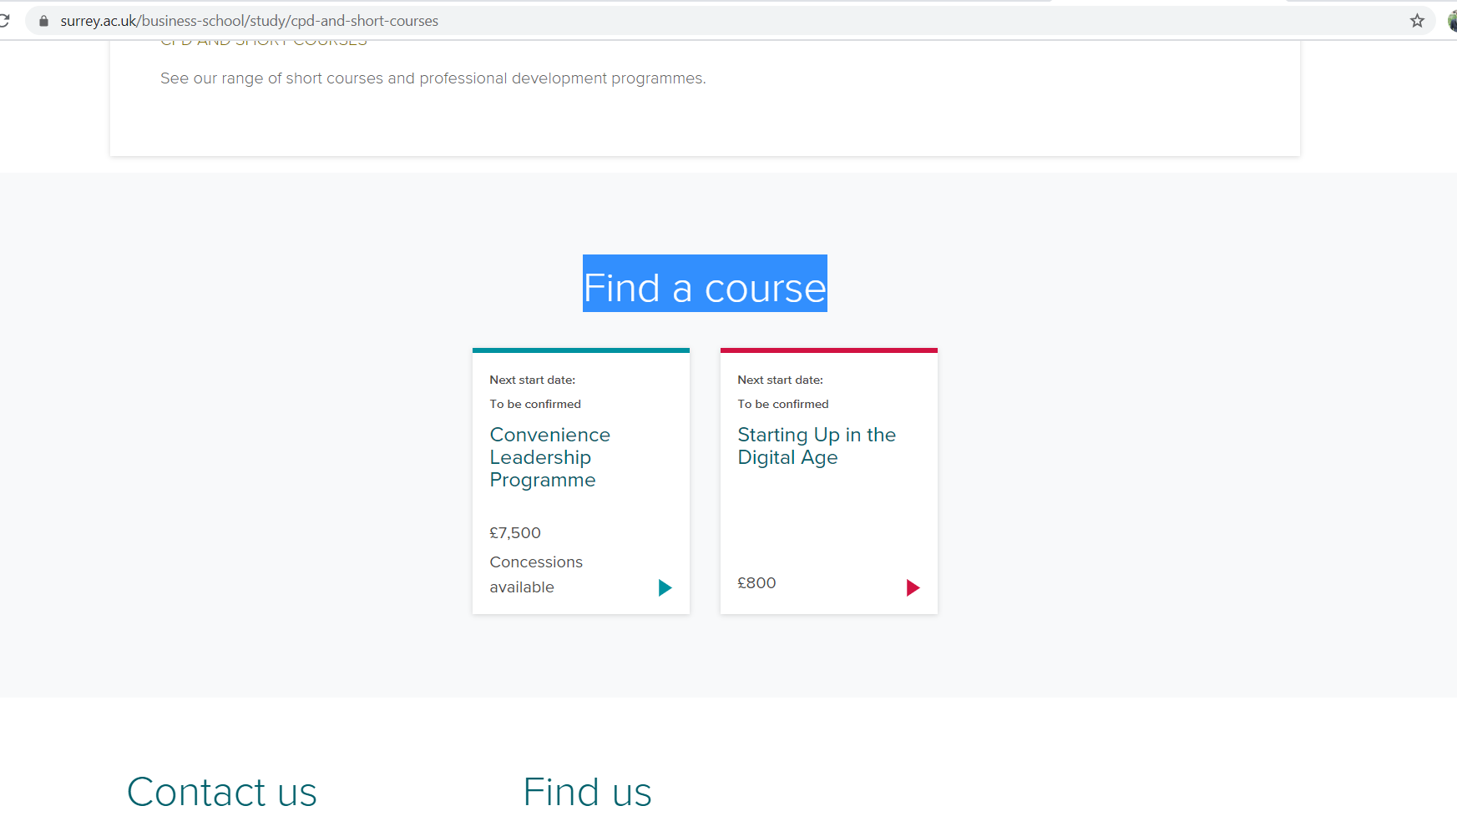

S.No | Field Name | Link | Remarks
1 | Course Name | easy
2 | Category
3 | Sub Category | we will do it
4 | Course Website | in Course Link for Undergraduate, Postgraduate taught, Postgraduate research&&Short Course Link
5 | Duration | Given in top of Coure Website, give priority to Fulll time duration
6 | Duration Term | Given in top of Coure Website, give priority to Fulll time duration
7 | Study Mode
8 | Degree Level | Given in Couse Link of University along with Course Name | eg: Bsc(Hons)
9 | Monthly Intake
10 | Intake Day
11 | Intake Month | Given in top of Coure Website, give priority to course without foundation or additional course | All month need to be included if more than one Intake month is give. Place Comma between month
12 | Apply Day
13 | Apply Month
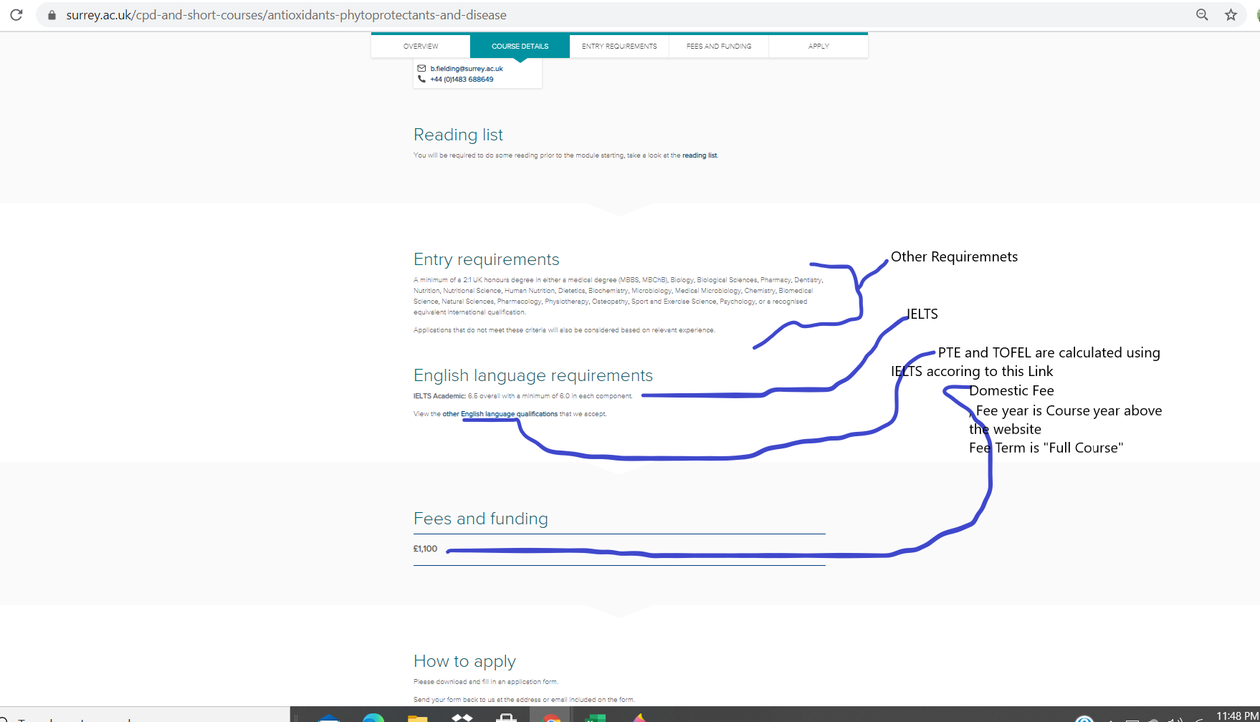
14 | City | Given at the end of the Course Website as Campus Location; eg Stag Hill |  |  |  | Some Sample Image of Short Course:
15 | Domestic Only
16 | International Fee | given in Fee and Funding, give priority given to Full-time course | Take highest if different Intake Month have different fee of same Year
17 | Domestic Fee | given in Fee and Funding
18 | Fee Term | year
19 | Fee Year | Given in the Fee
20 | Currency | Pound or Given in Fees
21 | Study Load | Given at the top of Course Website, IF both full-time and part-time is present, Study Load will be "Both"
22 | IELTS Listening | Given in the Course Website in Entry Requirements
23 | IELTS Speaking | Given in the Course Website in Entry Requirements
24 | IELTS Writing | Given in the Course Website in Entry Requirements
25 | IELTS Reading | Given in the Course Website in Entry Requirements
26 | IELTS Overall | Given in the Course Website in Entry Requirements
27 | PTE Listening
28 | PTE Speaking | IELTS equivalent is given here: https://www.surrey.ac.uk/apply/international/english-language-requirements
29 | PTE Writing | IELTS equivalent is given here: https://www.surrey.ac.uk/apply/international/english-language-requirements
30 | PTE Reading | IELTS equivalent is given here: https://www.surrey.ac.uk/apply/international/english-language-requirements
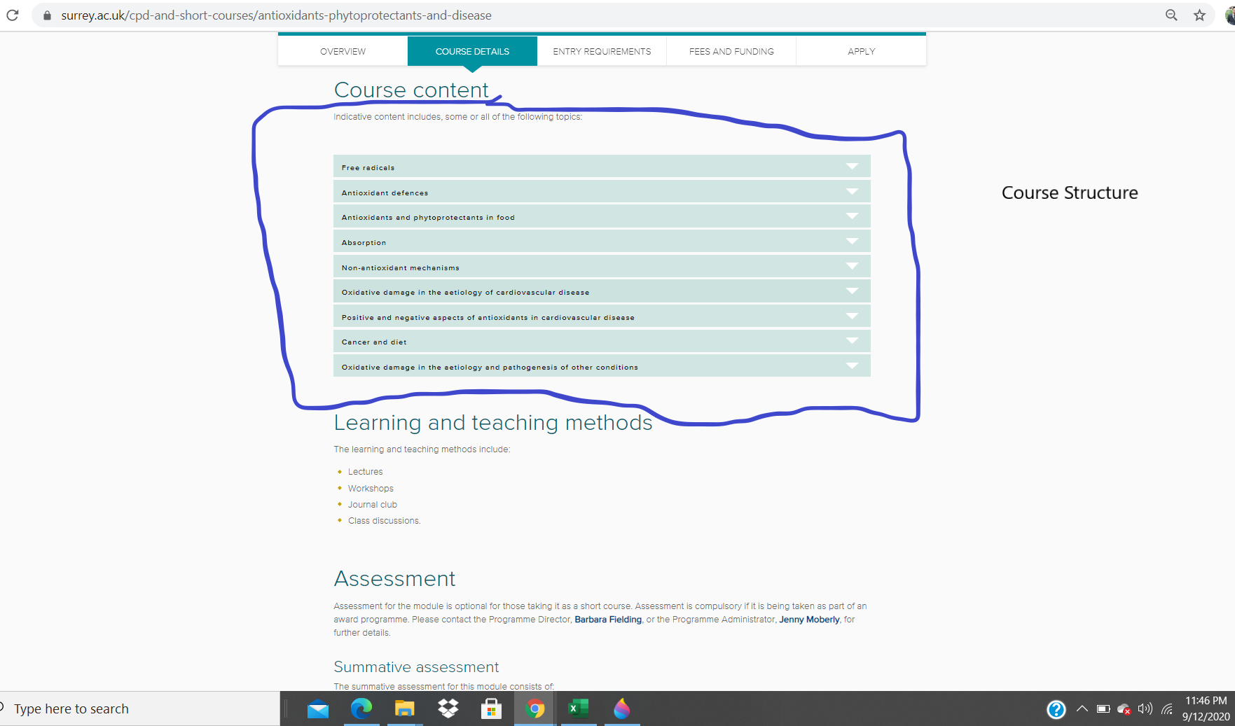
31 | PTE Overall | IELTS equivalent is given here: https://www.surrey.ac.uk/apply/international/english-language-requirements
32 | TOFEL Listening | IELTS equivalent is given here: https://www.surrey.ac.uk/apply/international/english-language-requirements
33 | TOFEL Speaking | IELTS equivalent is given here: https://www.surrey.ac.uk/apply/international/english-language-requirements
34 | TOFEL Writing | IELTS equivalent is given here: https://www.surrey.ac.uk/apply/international/english-language-requirements
35 | TOFEL Reading | IELTS equivalent is given here: https://www.surrey.ac.uk/apply/international/english-language-requirements
36 | TOFEL Overall | IELTS equivalent is given here: https://www.surrey.ac.uk/apply/international/english-language-requirements
37 | English Test
38 | Reading
39 | Listening
40 | Speaking
41 | Writing
42 | Overall
43 | Academic Level
44 | Academic Score
45 | Score Type
46 | Academic Country
47 | Other Test
48 | Score
49 | Other Requirements | Given in Entry Requirements except English Language Requirements
50 | Course Description | Couple of Paragraph In Overview
51 | Course Structure | given in Course Website as Modules
52 | Career | given in Course Websits inside Couse Detail tab or given as Placements
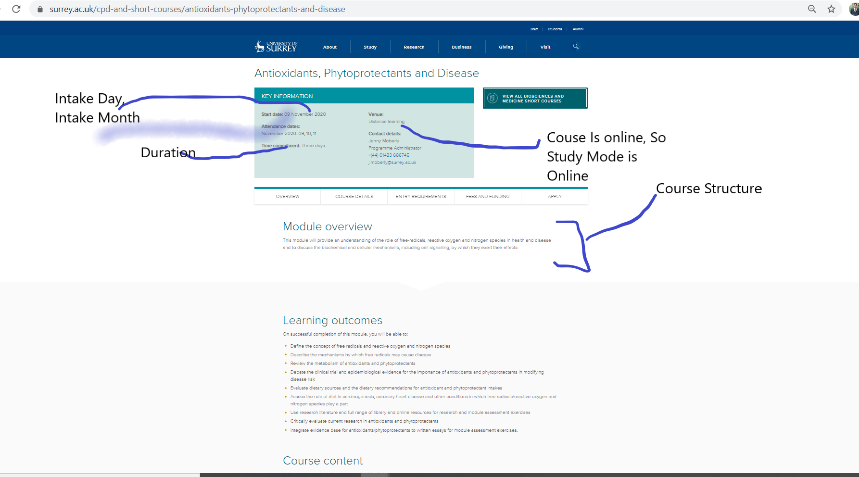
53 | Scholarship

